Monthly Pop
Jan | 12621
Mar | 9010
Apr | 8016
May | 6896
Jun | 6944
Jul | 6972

Colorado Statewide Jail Population

Discrepancy
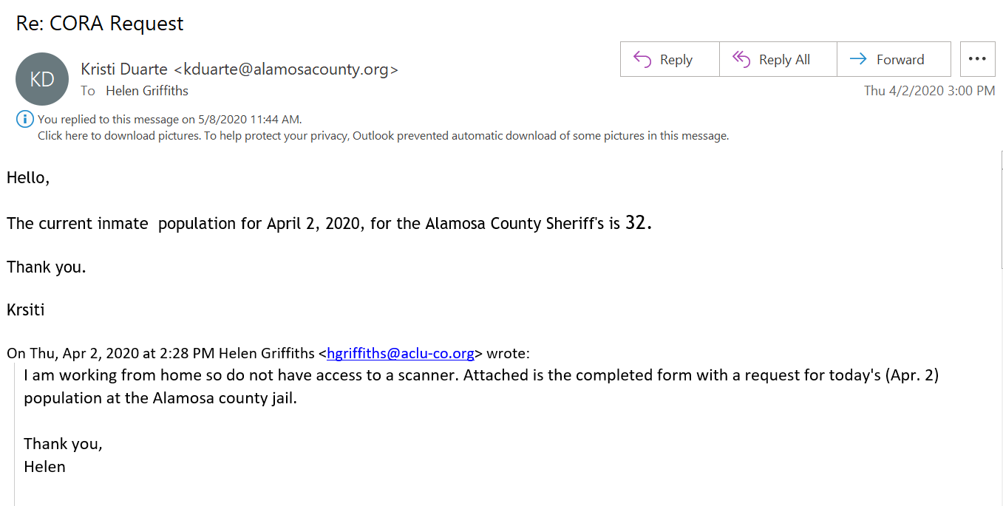
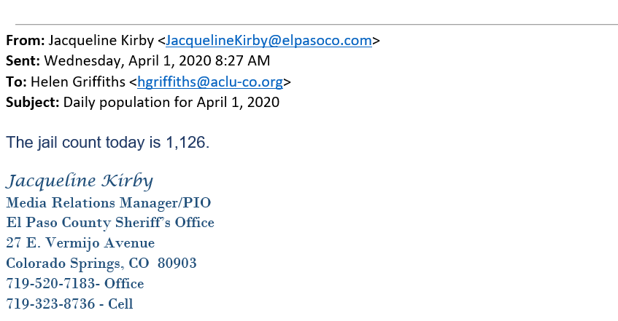
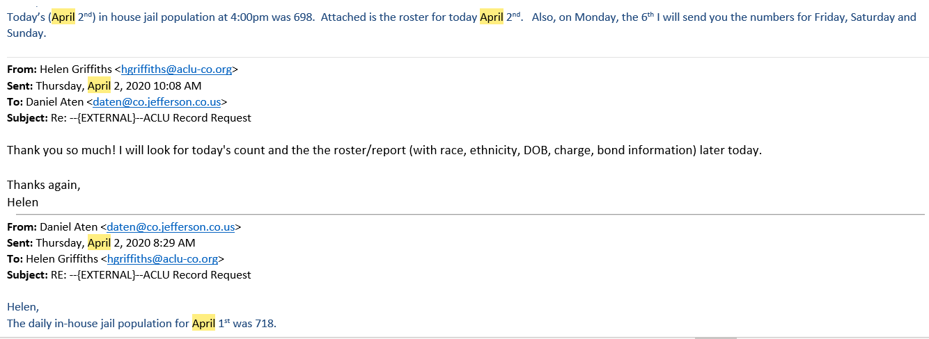
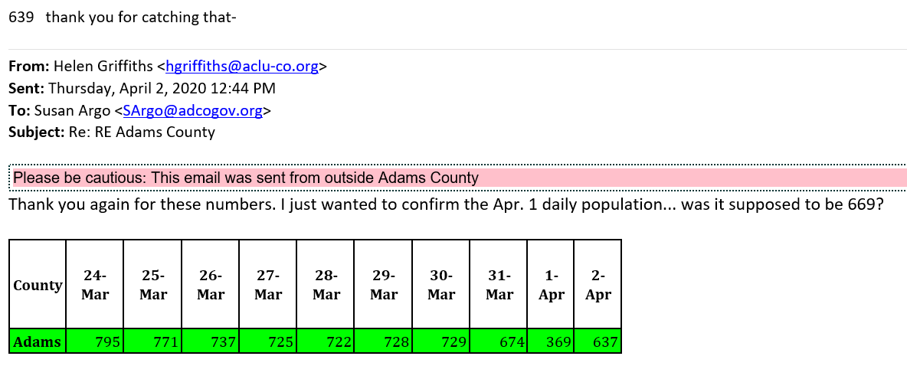
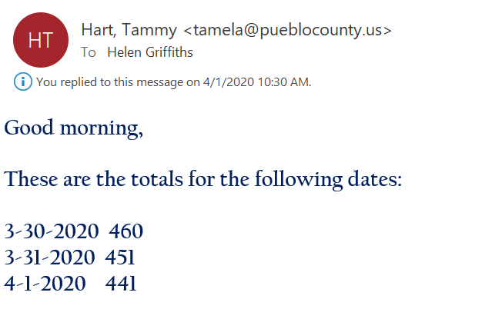
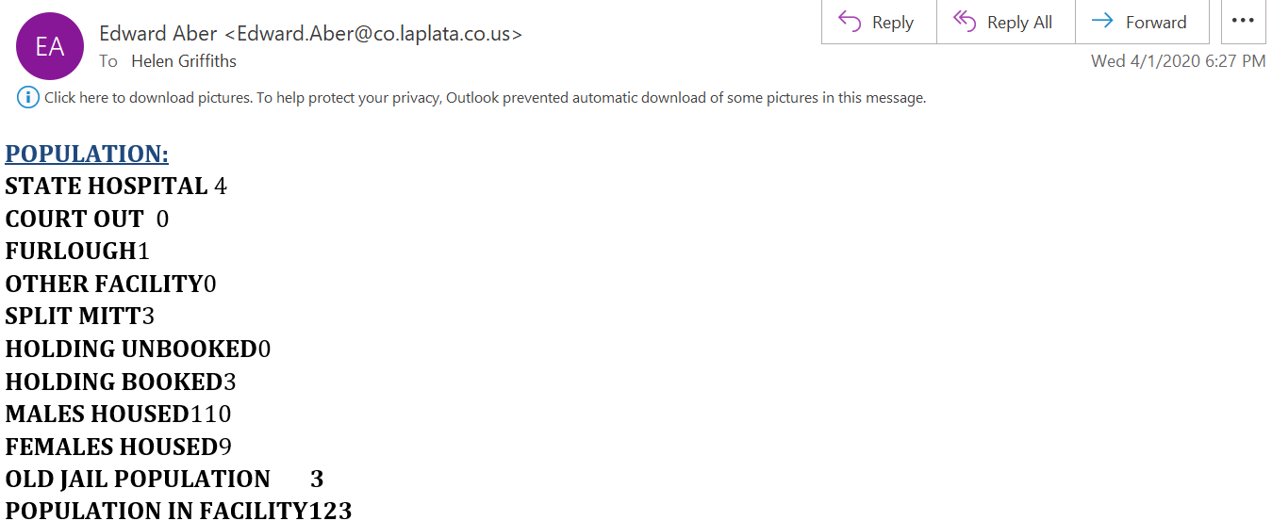
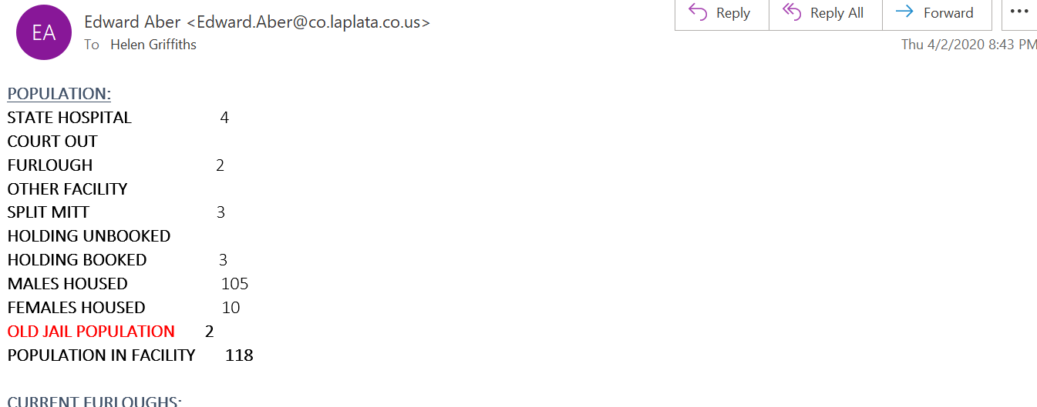
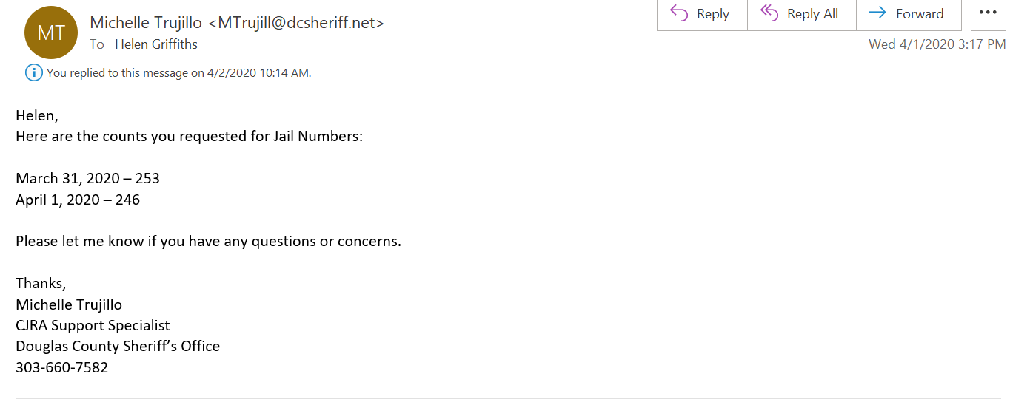
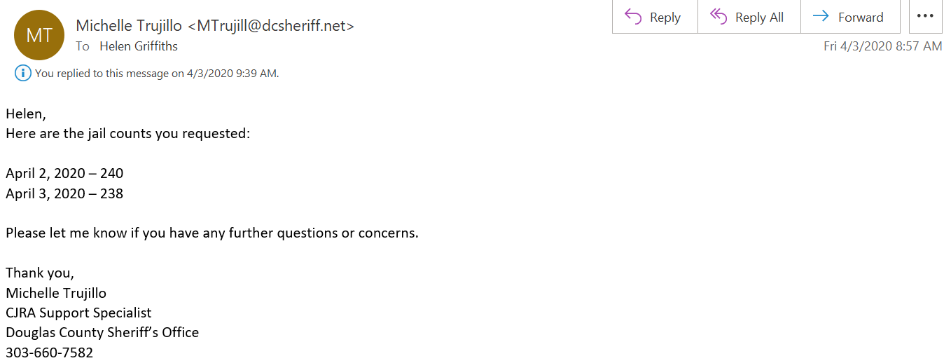
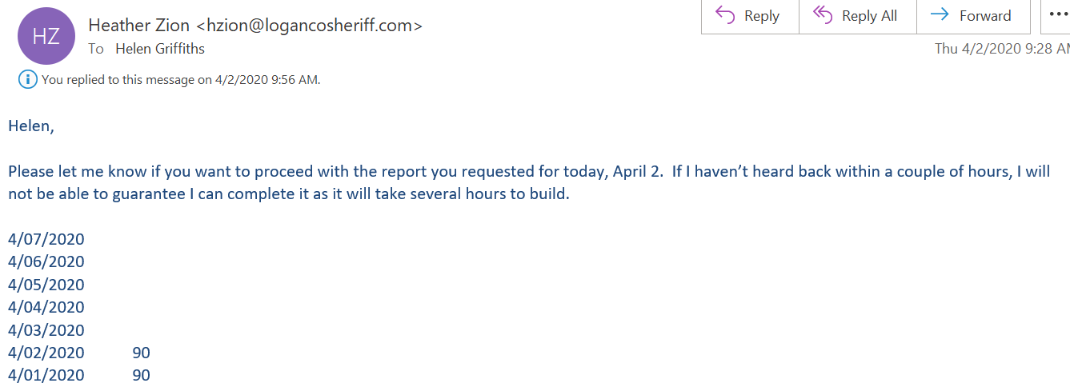
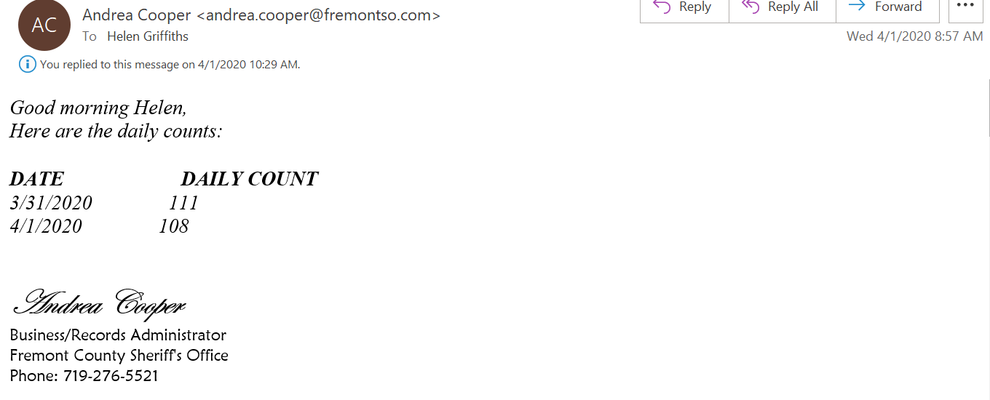
County | # in custody (2017) | # in custody (2019) | ACLU APR 2 | ACLU APR 1 | DCJ APR 1 | Difference |  |  | County | Capacity | ADP | 2019-07-01 | Difference
Adams | 1069 | 983 | 637 | 639 | 623 | -16 |  | highest discrepancy | Adams | 1271 | 983 | 983 | 0 | difference larger than 100
Alamosa | 121 | 76 | 32 |  | 291 | 259 |  |  | Alamosa | 163 | 77 | 76 | 1
Arapahoe | 1035 | 1275 | 720 | 731 | 756 | 25 | Without the 7 counties, the difference between our pop numbers is 253. |  | Arapahoe | 1174 | 1086 | 1275 | -189
Baca | 6 | 8 | 5 |  | 6 | 1 | Those 7 counties account for 1,644 difference between our pop numbers. |  | Baca | 26 | 7 | 8 | -1
Boulder | 417 | 392 | 248 | 260 | 261 | 1 |  |  | Boulder | 519 | 414 | 392 | 22
Broomfield | 94 | 91 | 84 |  | 73 | -11 |  |  | Broomfield | 218 | 99 | 91 | 8
Chaffee | 83 | 59 | 16 |  | 17 | 1 |  |  | Chaffee | 105 | 77 | 59 | 18
Clear Creek | 77 | 69 | 50 |  | 56 | 6 |  |  | Clear Creek | 105 | 92 | 69 | 23
Conejos | 42 | 14 | 8 |  | 7 | -1 |  |  | Conejos | 82 | 27 | 14 | 13
Crowley | 13 | 5 | 2 |  | 1 | -1 |  |  | Crowley | 12 | 5.88 | 5 | 0.88
Custer | 14 | 8 | 4 |  | 11 | 7 |  |  | Custer | 12 | 8.14 | 8 | 0.14
Delta | 52 | 55 | 34 |  | 46 | 12 |  |  | Delta | 63 | 60 | 55 | 5
Denver | 2096 | 1938 | 1187 | 1225 | 1241 | 16 |  |  | Denver | 2417 | 2060 | 1938 | 122
Douglas | 385 | 321 | 240 | 246 | 271 | 25 |  |  | Douglas | 436 | 311.1 | 321 | -9.9
Eagle | 62 | 58 | 34 |  | 31 | -3 |  |  | Eagle | 112 | 58 | 58 | 0
El Paso | 1624 | 1480 | 1112 | 1126 | 1199 | 73 |  |  | El Paso | 1837 | 1703 | 1480 | 223
Elbert | 25 | 26 | 18 |  | 23 | 5 |  |  | Elbert | 35 | 24 | 26 | -2
Fremont | 187 | 185 | 106 | 108 | 130 | 22 |  |  | Fremont | 240 | 163 | 185 | -22
Garfield | 120 | 107 | 52 |  | 55 | 3 |  |  | Garfield | 204 | 111 | 107 | 4
Gilpin | 54 | 55 | 31 |  | 31 | 0 |  |  | Gilpin | 91 | 55.96 | 55 | 0.96
Gunnison | 26 | 22 | 10 |  | 10 | 0 |  |  | Gunnison | 85 | 22 | 22 | 0
Jackson | 3 | 3 | 1 |  | 2 | 1 |  |  | Jackson | 4 | 3 | 3 | 0
Jefferson | 1345 | 1324 | 698 | 718 | 705 | -13 |  |  | Jefferson | 1148 | 1303 | 1324 | -21
Kit Carson | 26 | 15 | 14 |  | 17 | 3 |  |  | Kit Carson | 52 | 16 | 15 | 1
La Plata | 211 | 209 | 118 | 123 | 120 | -3 |  |  | La Plata | 279 | 201.3 | 209 | -7.7
Larimer | 604 | 531 | 382 | 401 | 401 | 0 |  |  | Larimer | 500 | 535 | 531 | 4
Las Animas | 59 | 45 | 28 |  | 293 | 265 |  |  | Las Animas | 110 | 47 | 45 | 2
Lincoln | 24 | 28 | 12 |  | 33 | 21 |  |  | Lincoln | 40 | 41.04 | 28 | 13.04
Logan | 89 | 98 | 90 | 90 | 94 | 4 |  |  | Logan | 120 | 114 | 98 | 16
Mesa | 526 | 515 | 388 | 393 | 394 | 1 |  |  | Mesa | 621 | 548.2 | 515 | 33.2
Moffat | 49 | 46 | 22 |  | 238 | 216 |  |  | Moffat | 101 | 46.8 | 46 | 0.8
Montezuma | 75 | 109 | 82 |  | 90 | 8 |  |  | Montezuma | 104 | 108 | 109 | -1
Montrose | 88 | 85 | 52 |  | 62 | 10 |  |  | Montrose | 149 | 93 | 85 | 8
Morgan | 80 | 77 | 60 |  | 61 | 1 |  |  | Morgan | 124 | 99 | 77 | 22
Otero | 49 | 23 | 4 |  | 312 | 308 |  |  | Otero | 34 | 8 | 23 | -15
Park | 122 | 59 | 21 |  | 25 | 4 |  |  | Park | 255 | 40.9 | 59 | -18.1
Pitkin | 15 | 15 | 7 |  | 9 | 2 |  |  | Pitkin | 30 | 18.18 | 15 | 3.18
Prowers | 56 | 65 | 34 |  | 37 | 3 |  |  | Prowers | 57 | 65 | 65 | 0
Pueblo | 990 | 658 | 428 | 441 | 437 | -4 |  |  | Pueblo | 780 | 660 | 658 | 2
Rio Blanco | 17 | 8 | 15 |  | 16 | 1 |  |  | Rio Blanco | 34 | 18.9 | 8 | 10.9
Rio Grande | 40 | 32 | 11 |  | 14 | 3 |  |  | Rio Grande | 36 | 32 | 32 | 0
Routt | 34 | 17 | 9 |  | 201 | 192 |  |  | Routt | 57 | 41.08 | 17 | 24.08
San Miguel | 9 | 12 | 5 |  | 5 | 0 |  |  | San Miguel | 32 | 9 | 12 | -3
Summit | 45 | 57 | 21 |  | 25 | 4 |  |  | Summit | 94 | 55 | 57 | -2
Teller | 85 | 75 | 34 |  | 77 | 43 |  |  | Teller | 514 | 99 | 75 | 24
Washington | 171 | 161 | 128 | 131 | 131 | 0 |  |  | Washington | 220 | 167.6 | 161 | 6.6
Weld | 701 | 726 | 621 | 624 | 624 | 0 |  |  | Weld | 763 | 754 | 726 | 28
 |  |  |  |  |  | 0 |  |  | Total | 15465 | 12568.08 | 12220
Bent | 32 | 39 | 29 |  | 291 | 262
Costilla | 14 | 18 | 6 |  | 5 | -1
Grand | 35 | 10 | 6 |  | 6 | 0
Huerfano | 32 | 32 | 11 |  | 153 | 142
Saguache | 20 | 11 | 11 |  | 11 | 0
Yuma | 23 | 18 | 18 |  |  | -18 | Yuma and Aurora are not included in totals bc not included in DCJ counts.
Aurora Detention Center | 41 | 49 | 7 |  |  | -7

Total |  |  | 7978 |  | 10028 | 1897

